Data and Model
Bike Sales
5 Year Forecast
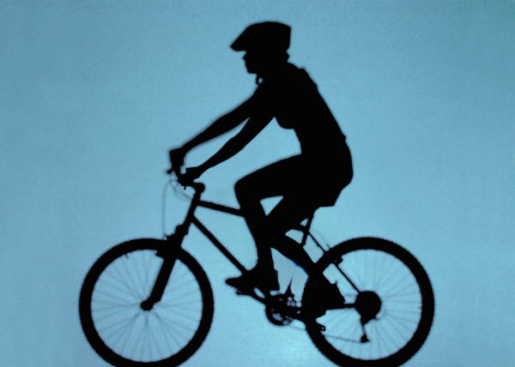

 | 2023 | 2024 | 2025 | 2026 | 2027 | Assumptions
Enquiries | 4,340 | 6,510 | 9,765 | 14,648 | 21,972 | Growth year on year | 50.00%
Conversion Rate | 2.2% | 3.3% | 5.0% | 7.4% | 11.2% | Sales Price per Bike | 99.95
Units Sold | 96 | 215 | 484 | 1,089 | 2,450 | GP Margin | 50%
 |  |  |  |  |  | Annual Inflation | 5%
Income | $9,595 | $21,489 | $48,376 | $108,846 | $244,878
COGS | $4,798 | $10,745 | $24,188 | $54,423 | $122,439
Gross Profit | $4,798 | $10,745 | $24,188 | $54,423 | $122,439
Expenses | $1,200 | $1,260 | $1,323 | $1,389 | $1,459
Net Profit | $3,598 | $9,485 | $22,865 | $53,034 | $120,980

